Tasks
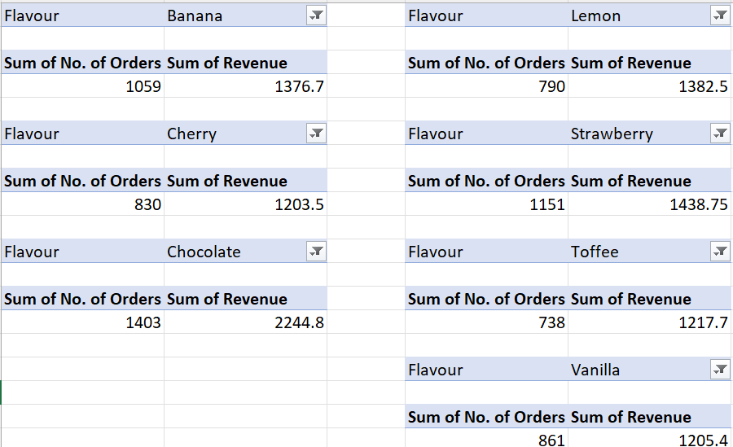
Dreamy Scoops has been selling ice creams for many years. They have provided sales data for March-May 2023. They would like to summarise the sales data so it easier to view, analyse and compare across the 3 years. You have been tasked with fulfilling the following analysis requirements:
Task 1 - Summary values:
Add your pivot tables for this task to the worksheet named: Task 1
Create a pivot table for each flavour and number of orders. Create summary values for each flavour to show:
a) The total (sum) of number of orders per flavour
b) The average number of orders per flavour
c) The minimum number of orders per flavour
d) The maximum number of orders per flavour
Your pivot table should look like this:
Task 2 - Data Bars:
Add your pivot tables for this task to the worksheet named: Task 2
a) Create a pivot table for date and sum of revenue. Add data bars to the revenue values.
b) Create a pivot table for flavour and sum of revenue. Add data bars to the revenue values.
Your pivot tables should look like this:
Task 3 - Timelines:
Add your pivot tables for this task to the worksheet named: Task 3
a) Create a pivot table for flavour and number of orders. Add a timeline so you can filter by month.
Your pivot table should look like this:
Task 4 - Adding calculated fields:
Add your pivot tables for this task to the worksheet named: Task 4
Create a pivot table using flavour and all four numeric values (number of orders, unit cost, price per unit and revenue).
Add some calculated fields, like total cost and profit. Your pivot table should look like this:
Task 5 - Create a separate report for each flavour:
Create a pivot table using just number or orders and revenue in the 'value' area.
Add flavour to the filters area.
Go to the 'Pivot Table Analyse' menu at the top and click on the 'Pivot Table' drop down. Select the option to: 'Show Report Filters Page'. Select 'Flavour' from the options box.
This will create a separate report of the number of orders and revenue for each flavour (7 in total), each in its own worksheet.
Copy and paste each report into one worksheet and name it 'Task 5'. Delete the separate worksheets for each flavour once you have them copied into one worksheet.
Your reports should all be in one worksheet named Task 4 and look similar to this:
Task 6 (optional):
Add your pivot tables for this task to the worksheet named: Task 6
Use your advanced pivot table skills to create more pivots and calculated fields using the advnced feaures covered this session and applied above.

